Sub Log
SUBSTITUTE LOG |  |  |  |  | Revised 06/14/21
School: | (Type School Name Here)
Substitute: | (Type Substitute Name Here)
Position: | (Type official position of employee here, If Applicable)

Is the employee currently contributing to retirement? |  |  |  | (Please replace Text with Yes or No here)

Month in which Substitute Duty is Performed: |  |  |  | (Type the month in which activity occurred here)
School Year in Substitute Duty is Performed: |  |  |  | (Type the school year in which activity occurred here)
Columns A,B,C, and E must have the proper data or it will not populate a value in column D

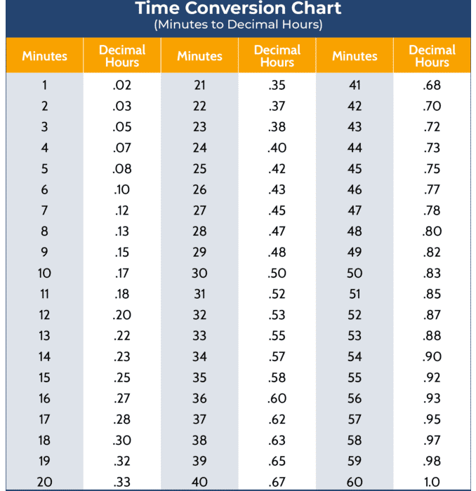
Type a number 1-31 | Excel uses military time (if you use Meridiem time don’t forget AM or PM)
Date of the Month | Time In | Time Out | Hours Worked | Substituted For
4 |  | 13:00:00
4 | 5:00:00
4 |  | 6:00:00
4 | 6:00:00 | 14:00:00
Monday | 17:00:00 | 17:30:00 |  | Mr. Jay
4 | 13:00:00 | 17:30:00 | 4.50 | Mr. Jay

Total Hours Worked: |  |  | 4.50

