Extra Duty Log
EXTRA DUTY LOG |  |  |  |  | Revised 06/14/21
School: | (Type School Name Here)
Employee: | (Type Employee Name Here)
Position: | (Type official position of employee here)

Is the employee currently contributing to retirement? |  |  |  | (Please replace text with Yes or No here)

Month in which Extra Duty is Performed: |  |  |  | (Type the month in which activity occurred here)
School Year Extra Duty is Performed: |  |  |  | (Type the school year in which activity occurred here)
Columns A,B,C, and E must have the proper data or it will not populate a value in column D

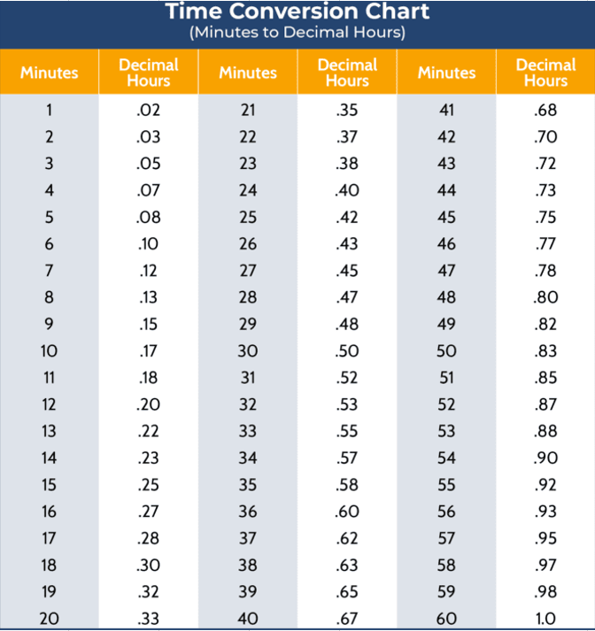
Type a Number 1-31 | Excel uses military time (if you use Meridiem time don’t forget AM or PM)
Date of the Month | Time In | Time Out | Hours Worked | Description of Extra Duty
1 |  | 18:00:00
1 | 5:00:00
1 | 5:00:00 | 7:00:00
Monday | 5:00:00 | 7:00:00 |  | Football Practice
1 | 5:00:00 | 7:00:00 | 2.00 | Football Practice

Total Hours Worked: |  |  | 2.00

Mandatory Reporting
