Monitor Eligibility
Calculator Tool - Monitoring Hours Worked for School Retirement Plan Eligibility

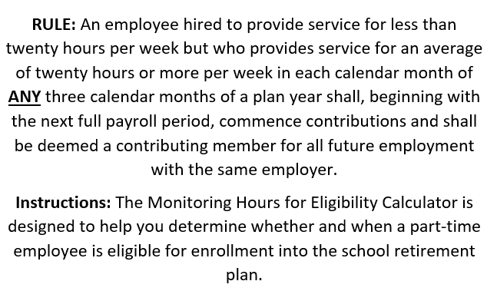
Create Date 05/13/2021
Revision | 2021-05-19
 |  | Monitoring Hours for Eligibility Calculator

 |  |  |  |  | State Date | End Date
 |  | Plan Year (YYYY): |  | 2020 | 2019-07-01 | 2020-06-30 | Not for use prior to plan year 2014
 |  | School Name: |  | Smallville Public Schools
 |  |  | NPERS Org # | 00-00
 |  | Employee Name: |  | Clark Kent
 |  |  | Leap year | X | Place X if a leap Year (IF not a leap year leave blank)

 |  |  |  | Input hours worked below

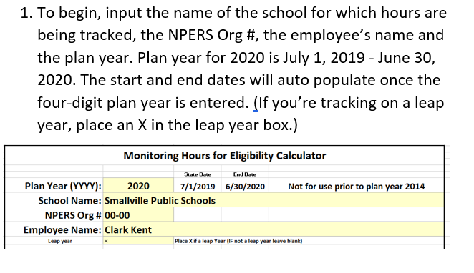
 |  | Calendar Month | Days in the Calendar Month | Hours Worked per Calendar Month | Average Hrs Per Week | Status | Enrollment indicator
 |  | July | 31 | 0 | 0
 |  | August | 31 | 88 | 19.87
 |  | September | 30 | 88 | 20.53 | Qualifying Month
 |  | October | 31 | 0 | 0
 |  | November | 30 | 0 | 0
 |  | December | 31 | 0 | 0
 |  | January | 31 | 0 | 0
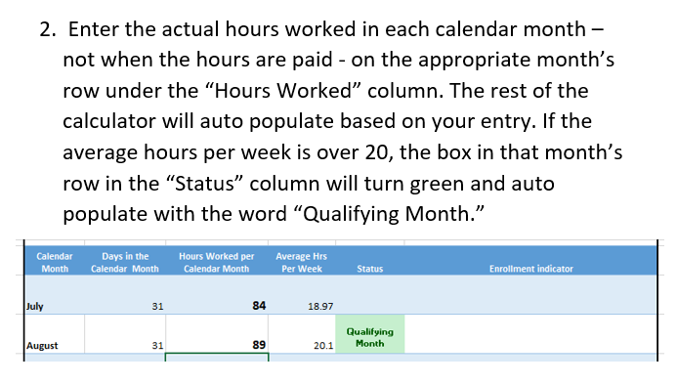
 |  | February | 29 | 0 | 0
 |  | March | 31 | 0 | 0
 |  | April | 30 | 0 | 0
 |  | May | 31 | 0 | 0
 |  | June | 30 | 0 | 0

